Sheet1
CRS document
Project name | Digital Air Conditioner Screen
Project manager | Hadier Rashed

Column1 | Column2 | Related in QIS
SR1_A01 | this function inside tha application,it will turn (on /off ) the system(LCD(2*16)-Fan) ,it doesn't take any argument or return, it will called from application | SIQ_1
SR2_E01 | this function inside eeprom module,save reading of temperature and fan speed in eeprom when turn off the system ,This function doesn’t take any argument and don’t return. | SIQ_2
SR2_E02 | this function inside eeprom module,Will return reading of temperature and fan speed from eeprom when turn on the system This function doesn’t take any argument .
SR3_S01 | this function inside the Switch module ,it will handle debouncy problem and it will take the number of pin that connected to switch and return the value of switch that connected to the pin .
SR3_L01 | this function inside the LCD module ,displayes first "Temperature= " "Speed Fan = " on the screen then it receives the value of Temperature and Speed fan in the string form (character array) but its input argument is the pointer to this string and to display this string on the screen, This function calls another function that displays character by character ,by incrementing the pointer thats points to the character array character by character ,it uses the Data pins of the lcd (8 pins) to output the ASCII code of each character on them. so its basic function here to display the Temperture.this function returns none | SIQ_3 | 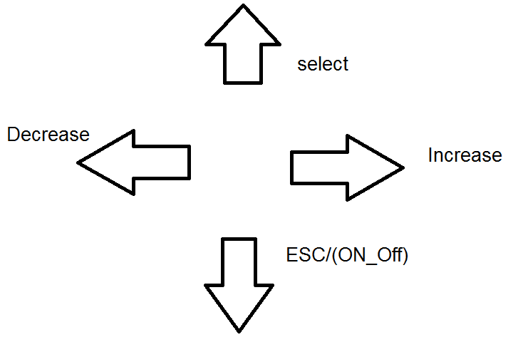
SR3_A02 | this function inside the application when user pressed selector button,this function will be call Selector_Button(); Doesn't take any argument and don’t return First line "->1- fan speed " Second line "2-Temperature" | SIQ_4
SR3_A03 | this function inside the application When pressed Increase Button arrow down on temperature and will call Function called Increase_Button(); function doesn’t take any argument and don’t return
SR3_A04 | this function inside the application When pressed decrease Button decrease_Button(); function doesn’t take any argument and don’t return ,arrow will be on fan speed and so on.
SR3_A05 | this function inside the application,when user want to enter modes, pressed on selector button again will call Function called Select_Modes(); function doesn’t take any argument and don’t return then will enter the mode that arrow stop on. And display the mode that arrow stopped. Example: First line "Temperature=23 " Second line " "
SR3_A06 | this function inside the application,When Pressed Increase button Function Increase_Mode(); will called This function doesn’t take any argument and don’t return then increase temperature, When Pressed Decrease button Function Decrease_Mode(); will called This function doesn’t take any argument and don’t return then Decrease temperature and the same for fan speed mode .
SR3_A07 | this function inside the application,When user want to out from mode ,pressed ESC Button and called Function Out_Mode(); This function doesn’t take any argument or return.When user want to shut down system will pressed ESC button again and function TurnOff(); will called This function doesn’t take any argument or return. When user want to open the system will pressed ESC button and function Turnon(); called system open.

A | Application
L | LCD Module
S | Switch Module
E | EEprom Module

